Messaging
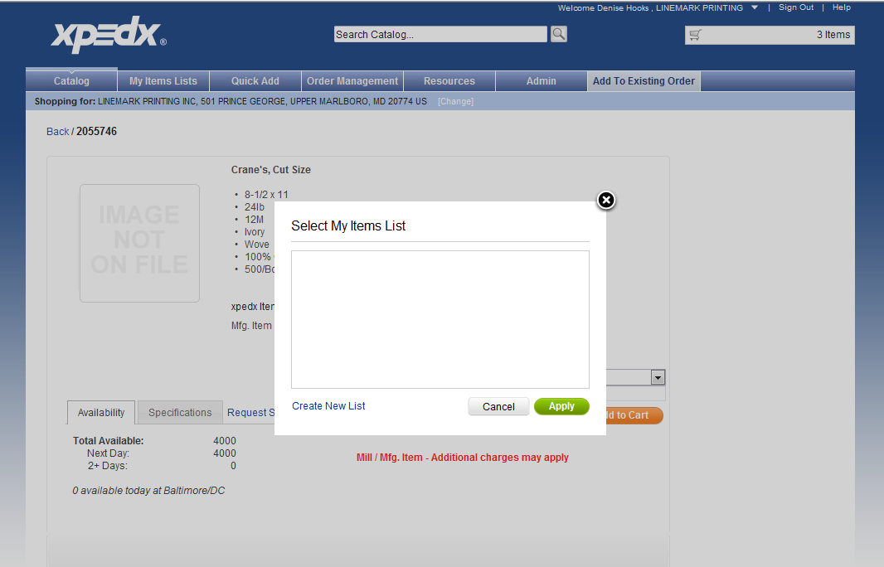
Screen | Action | Message | Comments
Shopping Cart | Enter long description | should not exceed 30 characters | The message should be renamed. According to the script the cutoff is 35 characters.

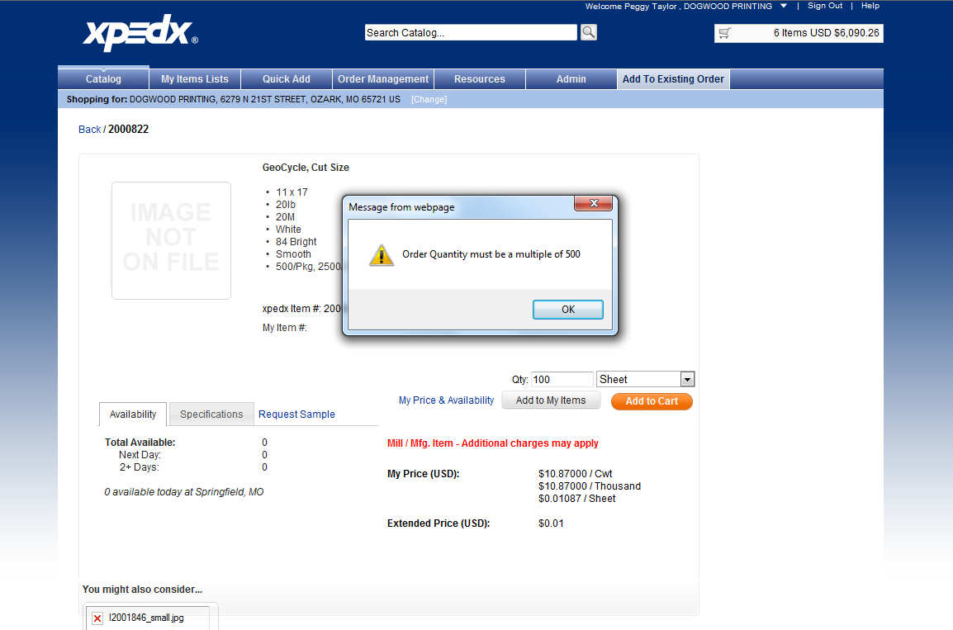

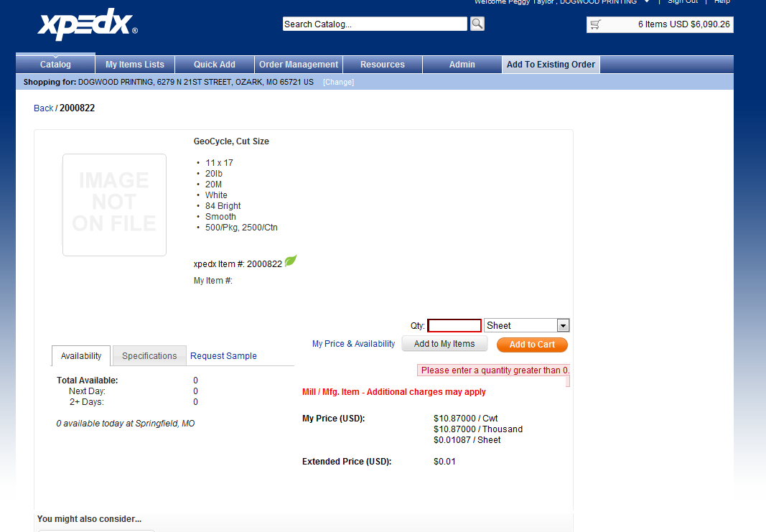

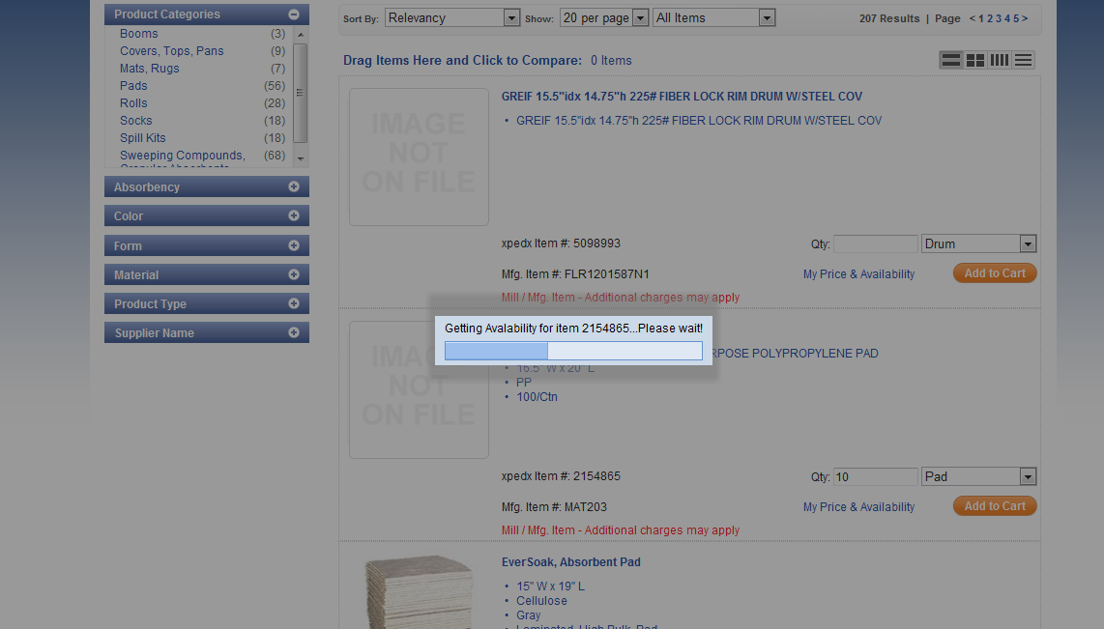

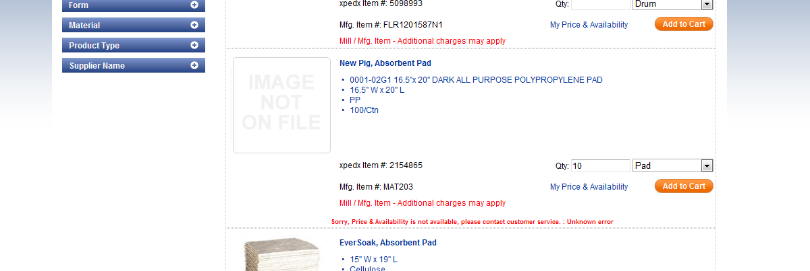

 | when there are no list, is this how we would like to display?

